Sheet1
Tag | Designação | Unidades
FT-201 | Caudal Volumetrico de Biogas de entrada | Nm3/h
FT-801 | Caudal de Biometano na saída | Nm3/h
FT-901 | Caudal de offgas (exhaust) | Nm3/h
Mode | 8 e 9 representam Run Mode | Inteiro | Manual | Processo |  | Warning | Trip
PT-901 | Pressure Transmiter Vacuo - entrada na linha de gas | bar | TSA/0101 | TT-901 | The temperature gas oil separator | 135ºC | 140ºC
PT-902 | Pressure Transmiter Vacuo - saída na linha de gás | bar | TSA/0102 | TT-902 | The temperature Discharge 1 | 105ºC | 110ºC
PT-903 | Pressure Transmiter Vacuo - intenal Pressure - in oil separator | bar | TSA/0103 | TT-903 | The temperature Discharge 2 | 105ºC | 110ºC
TT-901 | Temperature Transmiter Vacuo - gas in oil separator | ºC | TSA/0104 | TT-904 | The oil temperature | 90ºC | 110ºC
TT-902 | Temperature Transmiter Vacuo - discharge 1 | ºC | PSA/PS 0301 | PT-903 | The Pressure in the oil separator | 0.4Bar | 0.5Bar
TT-903 | Temperature Transmiter Vacuo -discharge 2 | ºC
TT-904 | Temperature Transmiter Vacuo-Oleo | ºC
VSD-901_CORRENT | Corrent Bomba de Vacuo | Amperes
VSD-901_POWER | POWER Bomba de Vacuo | W
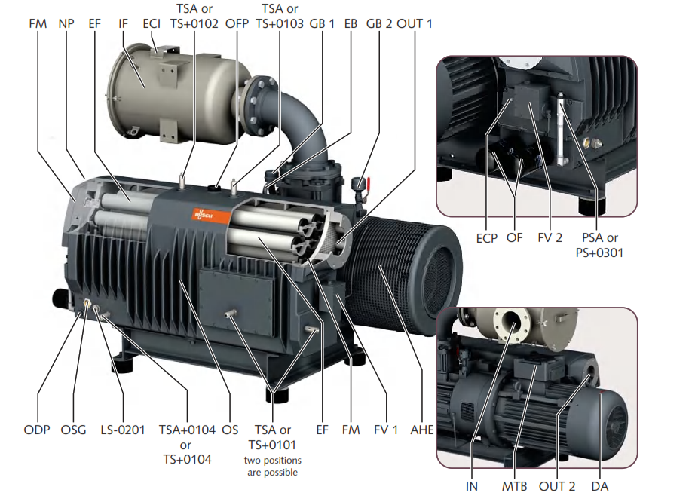
VSD-901_RPM | Rotações por minuto Bomba de Vacuo | RPM
VSD-901_SPEED | Speed Bomba de Vacuo | %
LS-901 | Level sensor Oil | true or false

